companies
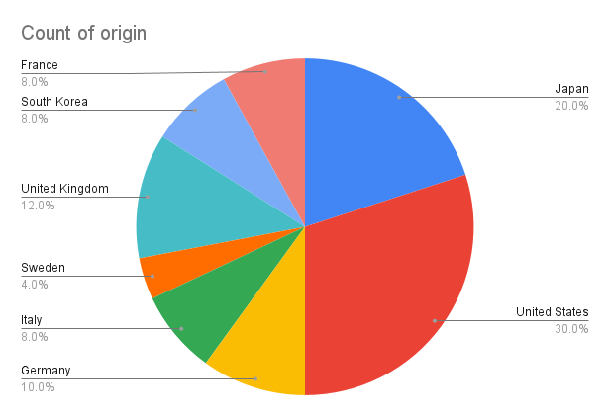
rank | logo_link | origin | segment | segment
1 | https://www.carlogos.org/car-logos/toyota-logo.png | Japan | Toyota | Mass-Market Cars
2 | https://www.carlogos.org/car-logos/honda-logo.png | Japan | Honda | Mass-Market Cars
3 | https://www.carlogos.org/car-logos/chevrolet-logo.png | United States | Chevrolet | Mass-Market Cars
4 | https://www.carlogos.org/car-logos/ford-logo.png | United States | Ford | Mass-Market Cars
5 | https://www.carlogos.org/car-logos/mercedes-benz-logo.png | Germany | Mercedes-Benz | Luxury Vehicles
6 | https://www.carlogos.org/car-logos/jeep-logo.png | United States | Jeep | Sport Utility Vehicles
7 | https://www.carlogos.org/car-logos/bmw-logo.png | Germany | BMW | Luxury Vehicles
8 | https://www.carlogos.org/car-logos/porsche-logo.png | Germany | Porsche | Luxury Sports Cars
9 | https://www.carlogos.org/car-logos/subaru-logo.png | Japan | Subaru | Mass-Market Cars
10 | https://www.carlogos.org/car-logos/nissan-logo.png | Japan | Nissan | Mass-Market Cars
11 | https://www.carlogos.org/car-logos/cadillac-logo.png | United States | Cadillac | Luxury Vehicles
12 | https://www.carlogos.org/car-logos/volkswagen-logo.png | Germany | Volkswagen | Mass-Market Cars
13 | https://www.carlogos.org/car-logos/lexus-logo.png | Japan | Lexus | Luxury Vehicles
14 | https://www.carlogos.org/car-logos/audi-logo.png | Germany | Audi | Luxury Vehicles
15 | https://www.carlogos.org/car-logos/ferrari-logo.png | Italy | Ferrari | Super Luxury Sports Cars
16 | https://www.carlogos.org/car-logos/volvo-logo.png | Sweden | Volvo | Luxury Vehicles
17 | https://www.carlogos.org/car-logos/jaguar-logo.png | United Kingdom | Jaguar | Luxury Vehicles
18 | https://www.carlogos.org/car-logos/gmc-logo.png | United States | GMC | Pickup Trucks
19 | https://www.carlogos.org/car-logos/buick-logo.png | United States | Buick | Mass-Market Cars
20 | https://www.carlogos.org/car-logos/acura-logo.png | Japan | Acura | Luxury Vehicles
21 | https://www.carlogos.org/car-logos/bentley-logo.png | United Kingdom | Bentley | Ultra-luxury Cars
22 | https://www.carlogos.org/car-logos/dodge-logo.png | United States | Dodge | Performance Cars
23 | https://www.carlogos.org/car-logos/hyundai-logo.png | South Korea | Hyundai | Mass-Market Cars
24 | https://www.carlogos.org/car-logos/lincoln-logo.png | United States | Lincoln | Luxury Vehicles
25 | https://www.carlogos.org/car-logos/mazda-logo.png | Japan | Mazda | Mass-Market Cars
26 | https://www.carlogos.org/car-logos/land-rover-logo.png | United Kingdom | Land Rover | Luxury Sport Utility Vehicles
27 | https://www.carlogos.org/car-logos/tesla-logo.png | United States | Tesla | Luxury Electric Vehicles
28 | https://www.carlogos.org/car-logos/ram-logo.png | United States | Ram Trucks | Pickup Trucks, Vans
29 | https://www.carlogos.org/car-logos/kia-logo.png | South Korea | Kia | Mass-Market Cars
30 | https://www.carlogos.org/car-logos/chrysler-logo.png | United States | Chrysler | Luxury Vehicles
31 | https://www.carlogos.org/car-logos/pontiac-logo.png | United States | Pontiac | Luxury Vehicles
32 | https://www.carlogos.org/car-logos/infiniti-logo.png | Japan | Infiniti | Luxury Vehicles
33 | https://www.carlogos.org/car-logos/mitsubishi-logo.png | Japan | Mitsubishi | Mass-Market Cars
34 | https://www.carlogos.org/car-logos/oldsmobile-logo.png | United States | Oldsmobile | Luxury vehicles
35 | https://www.carlogos.org/car-logos/maserati-logo.png | Italy | Maserati | Super Luxury Sports Cars
36 | https://www.carlogos.org/car-logos/aston-martin-logo.png | United Kingdom | Aston Martin | Super Luxury Sports Cars
37 | https://www.carlogos.org/car-logos/bugatti-logo.png | France | Bugatti | Luxury Supercars
38 | https://www.carlogos.org/car-logos/fiat-logo.png | Italy | Fiat | Small Cars
39 | https://www.carlogos.org/car-logos/mini-logo.png | United Kingdom | Mini | Luxury Small Cars
40 | https://www.carlogos.org/car-logos/alfa-romeo-logo.png | Italy | Alfa Romeo | Luxury vehicles
41 | https://www.carlogos.org/car-logos/saab-logo.png | Sweden | Saab | Automobiles
42 | https://www.carlogos.org/car-logos/genesis-logo.png | South Korea | Genesis | Luxury Vehicles
43 | https://www.carlogos.org/car-logos/suzuki-logo.png | Japan | Suzuki | Mass-Market Cars
44 | https://www.carlogos.org/car-logos/studebaker-logo.png | United States | Studebaker | Automobiles
45 | https://www.carlogos.org/car-logos/renault-logo.png | France | Renault | Mass-Market Cars
46 | https://www.carlogos.org/car-logos/peugeot-logo.png | France | Peugeot | Mass-Market Cars
47 | https://www.carlogos.org/car-logos/daewoo-logo.png | South Korea | Daewoo | Economy Cars
48 | https://www.carlogos.org/car-logos/hudson-logo.png | United States | Hudson | Vehicles
49 | https://www.carlogos.org/car-logos/citroen-logo.png | France | Citroen | Mass-Market Cars
50 | https://www.carlogos.org/car-logos/mg-logo.png | United Kingdom | MG | Small Cars

